Front cover
DATA BOOK 2025

Japan Pharmaceutical
Manufactures Association

Forewords
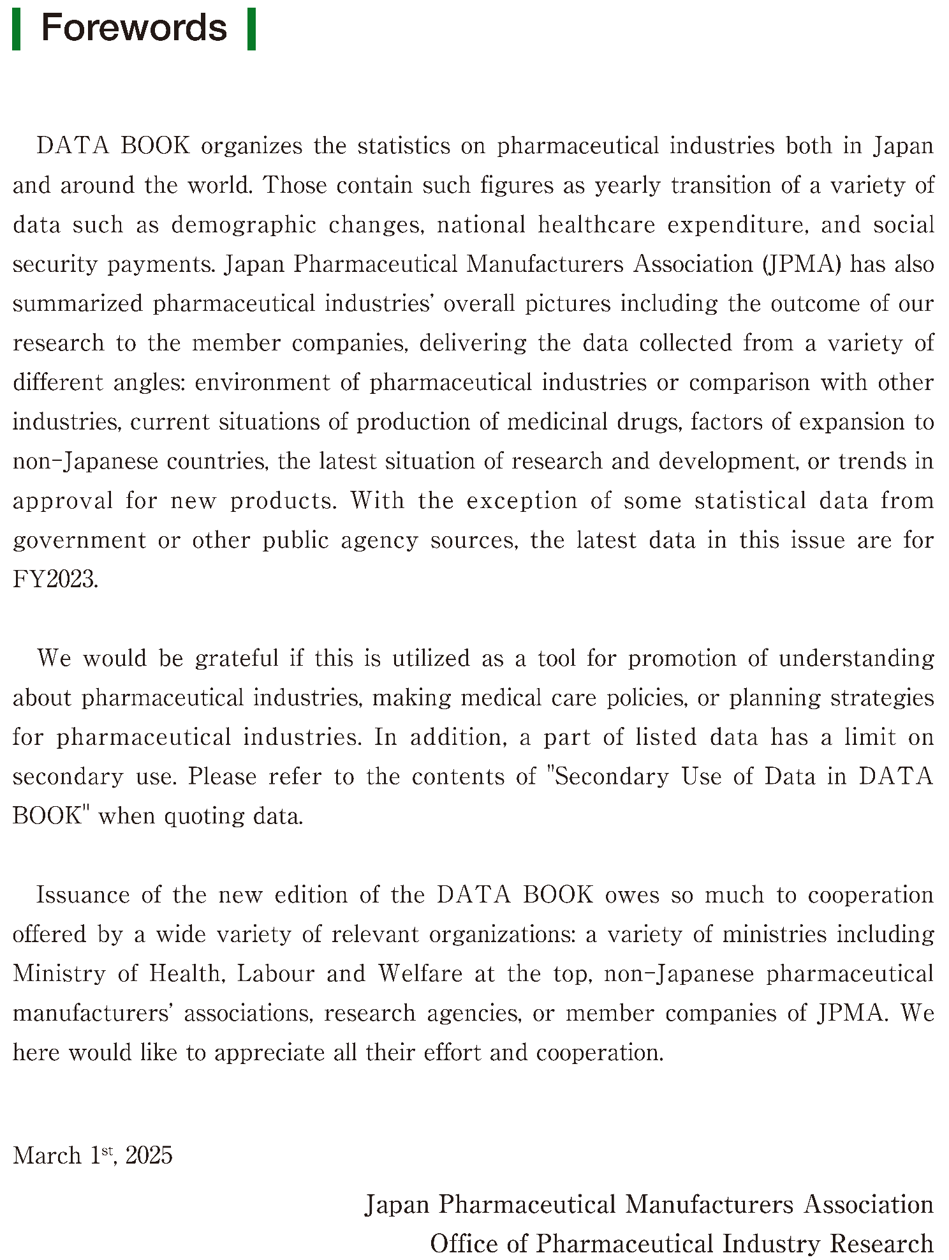

SecondaryUse
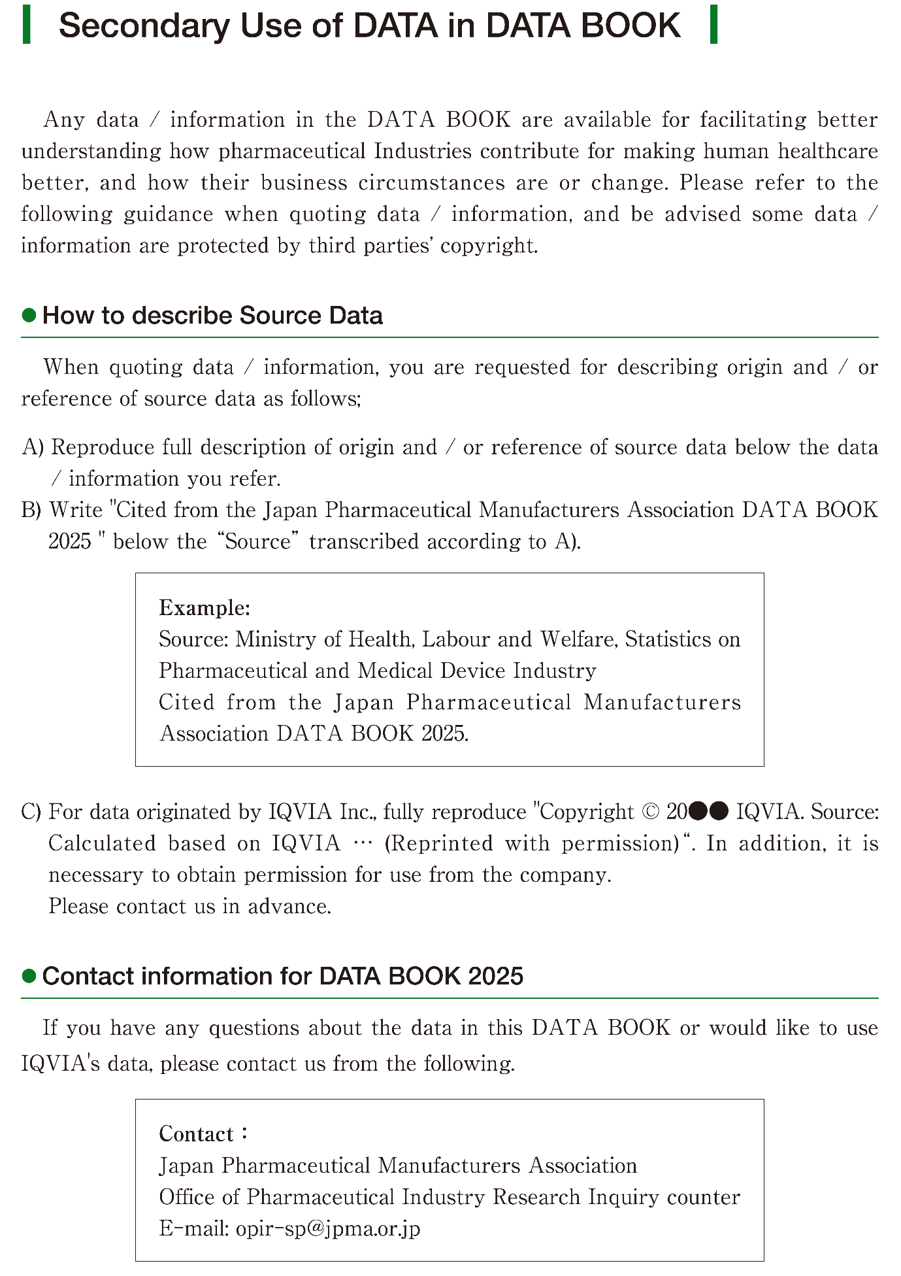

A1-5
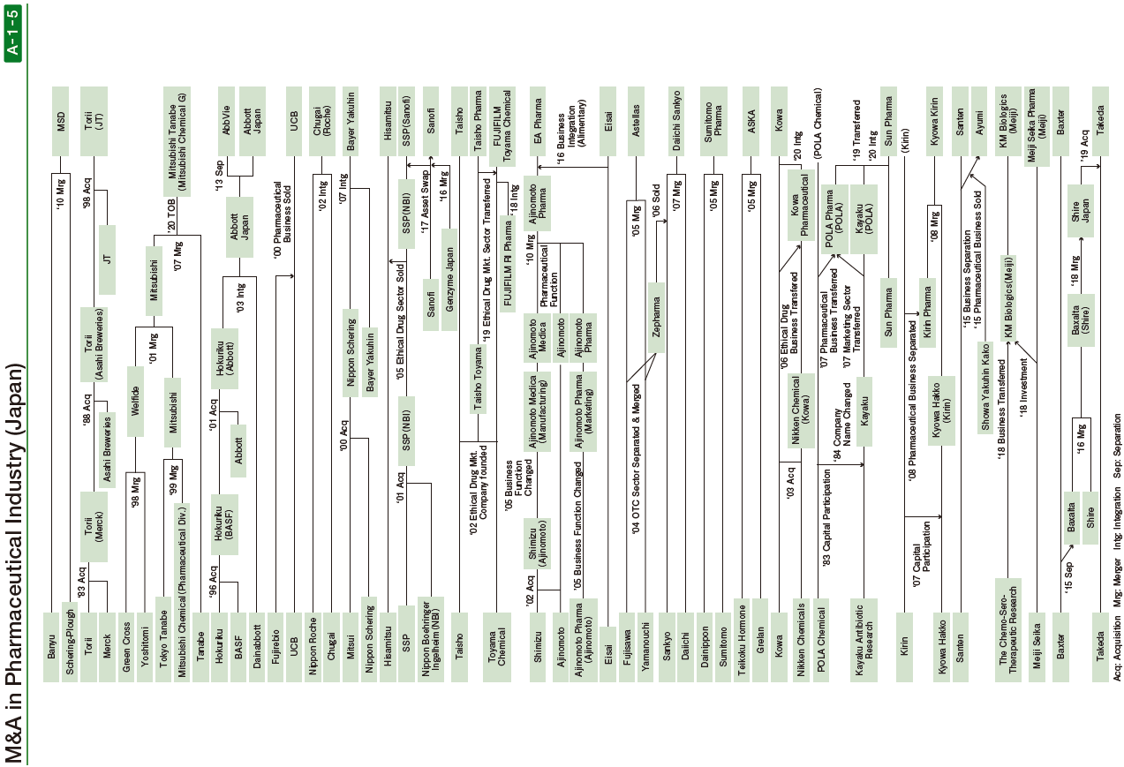

A1-6
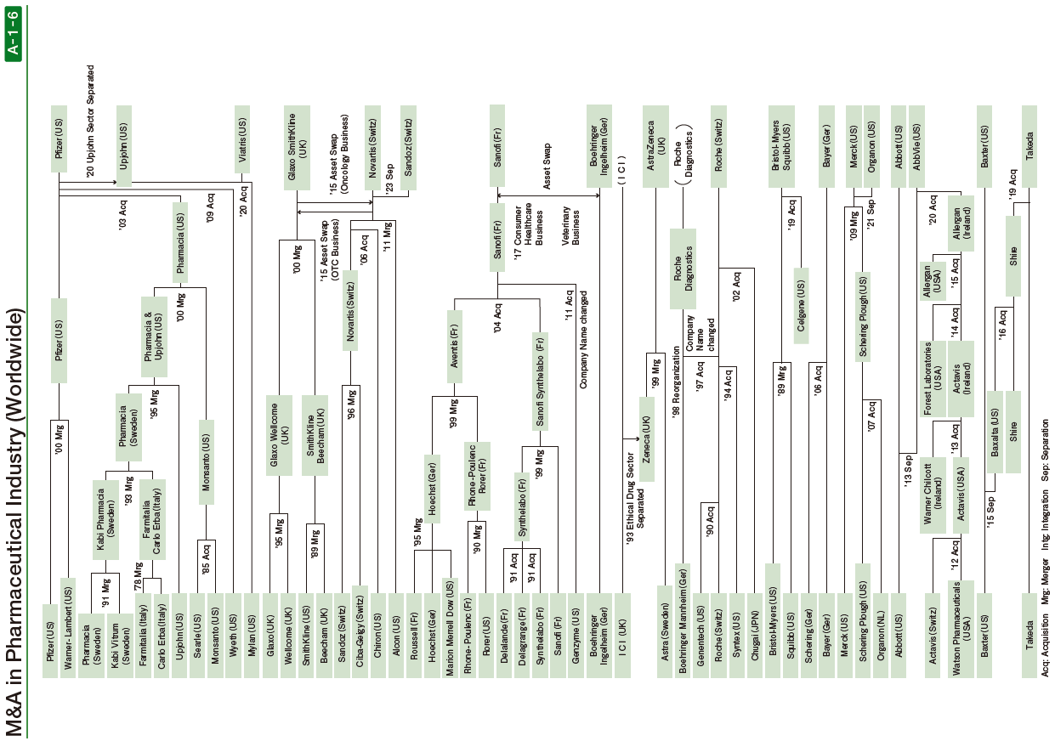

A7-4
Trends of R&D Expenditures and Profits as Sales Ratio (Japan)

Fiscal Year | R&D Expenditures Average | Net Profit Margin | R&D Expenditures per Sales
 | (JPY 100 mil.) | (%) | (%)
1994 | 321 | 7.3 | 11.7
1995 | 334 | 7.6 | 12.0
1996 | 346 | 8.3 | 11.8
1997 | 369 | 7.5 | 12.6
1998 | 386 | 8.5 | 14.3
1999 | 433 | 9.1 | 11.1
2000 | 488 | 8.8 | 12.9
2001 | 539 | 11.7 | 12.7
2002 | 588 | 11.2 | 13.8
2003 | 612 | 13.8 | 14.2
2004 | 621 | 13.3 | 14.2
2005 | 747 | 14.6 | 15.3
2006 | 858 | 14.8 | 16.9
2007 | 1,125 | 13.3 | 18.2
2008 | 1,333 | 5.9 | 20.9
2009 | 1,274 | 10.6 | 19.1
2010 | 1,262 | 10.0 | 18.8
2011 | 1,190 | 7.3 | 17.9
2012 | 1,250 | 9.1 | 18.3
2013 | 1,390 | 7.8 | 18.4
2014 | 1,337 | 8.8 | 18.6
2015 | 1,376 | 8.9 | 17.7
2016 | 1,301 | 10.6 | 17.5
2017 | 1,414 | 11.5 | 18.5
2018 | 1,490 | 11.0 | 18.5
2019 | 1,633 | 9.6 | 17.3
2020 | 1,649 | 10.8 | 17.7
2021 | 1,835 | 8.7 | 18.1
2022 | 2,180 | 9.2 | 18.7
2023 | 2,329 | 5.2 | 18.9

Note:
1.Companies surveyed: 10 companies
FY1994 to 2004: Takeda, Sankyo, Yamanouchi, Daiichi, Taisho, Eisai, Shionogi, Fujisawa, Chugai and Tanabe
FY2005: Takeda, Astellas, Eisai, Sankyo, Daiichi, Chugai, Mitsubishi, Sumitomo Dainippon, Shionogi and Taisho
FY2006: Takeda, Astellas, Daiichi Sankyo, Eisai, Sumitomo Dainippon, Mitsubishi, Shionogi, Tanabe, Taisho and Ono
From FY2007: Takeda, Astellas, Daiichi Sankyo, Eisai, Mitsubishi Tanabe, Sumitomo Dainippon, Shionogi, Taisho (from FY2011 Taisho Holdings), Ono and Otsuka Holdings (took Otsuka's consolidated result for 2007)
From FY2019: Takeda, Astellas, Daiichi Sankyo, Eisai, Mitsubishi Tanabe, Sumitomo Pharma, Shionogi, Ono, Otsuka Holdings, and Kyowa Kirin
2. Consolidated basis since 1999.
3. Chugai had an irregular 9 months financial result (Apr.-Dec.) in FY2003

Source: SPEEDA (UZABASE, Inc.), Financial statements

A7-5
Trends of R&D Expenditures and Profits as Sales Ratio (USA)

Fiscal Year | R&D Expenditures Average | Net Profit Margin | R&D Expenditures per Sales
 | (USD mil.) | (%) | (%)
1994 | 904 | 16.4 | 10.2
1995 | 1,149 | 15.8 | 10.6
1996 | 1,272 | 16.1 | 10.6
1997 | 1,411 | 16.6 | 10.7
1998 | 1,565 | 17.8 | 12.2
1999 | 1,900 | 16.5 | 10.7
2000 | 2,310 | 17.2 | 11.4
2001 | 2,490 | 18.2 | 11.3
2002 | 2,623 | 18.2 | 11.4
2003 | 3,115 | 15.2 | 13.3
2004 | 3,482 | 16.6 | 13.8
2005 | 3,692 | 17.0 | 14.2
2006 | 4,069 | 21.8 | 16.2
2007 | 4,375 | 16.2 | 15.9
2008 | 4,486 | 19.6 | 15.4
2009 | 4,894 | 26.2 | 15.2
2010 | 6,045 | 14.9 | 15.8
2011 | 5,898 | 15.1 | 14.7
2012 | 5,798 | 17.7 | 15.0
2013 | 5,717 | 22.3 | 15.1
2014 | 5,847 | 20.2 | 16.9
2015 | 6,073 | 17.9 | 17.8
2016 | 6,497 | 19.1 | 17.9
2017 | 6,951 | 12.5 | 18.4
2018 | 7,750 | 19.5 | 19.3
2019 | 7,449 | 24.0 | 18.2
2020 | 9,016 | 13.0 | 20.3
2021 | 10,153 | 22.6 | 18.7
2022 | 9,603 | 22.9 | 16.3
2023 | 12,509 | 17.1 | 24.0
Note:
1.Companies surveyed : 7 to 10 leading companies
FY1994: 10 companies (Abbott, AHP, Bristol-Myers Squibb, Eli Lilly, Johnson & Johnson, Merck, Pfizer, Schering-Plough, Upjohn, Warner Lambert)
FY1995: 10 companies(Abbott, AHP, Bristol-Myers Squibb, Eli Lilly, Johnson & Johnson, Merck, Pfizer, Schering-Plough, Pharmacia & Upjohn, Warner Lambert)
FY1996 to 98：10 companies(Abbott, AHP, Bristol-Myers Squibb, Eli Lilly, Johnson & Johnson, Merck, Pfizer, Schering-Plough, Pharmacia & Upjohn, Warner Lambert)
FY1999: 8 companies (Abbott, AHP, Bristol-Myers Squibb, Eli Lilly, Johnson & Johnson, Merck, Pfizer, Schering-Plough)
FY2000 to 02: 9 companies (Abbott, Bristol-Myers Squibb, Eli Lilly, Johnson & Johnson, Merck, Pfizer, Pharmacia, Schering-Plough, Wyeth)
*Pfizer acquired Warner Lambert. AHP to change name to Wyeth.
FY2003 to 05: 8 companies (Abbott, Bristol-Myers Squibb, Eli Lilly, Johnson & Johnson, Merck, Pfizer, Schering-Plough, Wyeth)
*Pfizer acquired Pharmacia.
FY2006 to 08: 9 companies (Abbott, Amgen, Bristol-Myers Squibb, Eli Lilly, Johnson & Johnson, Merck, Pfizer, Schering-Plough, Wyeth)
*Added Amgen.
FY2009 to 13: 7 companies (Abbott, Amgen, Bristol-Myers Squibb, Eli Lilly, Johnson & Johnson, Merck, Pfizer)
*Merck incorporated Schering-Plough, Pfizer acquired Wyeth.
*In 2013, Abbott Laboratories (Abbott) separated into two traded companies as AbbVie and Abbott. The enumeration data as of 2013 is combined both of two companies' data as one firm.
FY2014 to 22: 7 companies(AbbVie, Amgen, Bristol-Myers Squibb, Eli Lilly, Johnson & Johnson, Merck, Pfizer)
A part of the past data has been updated due to original data revision.

Source : SPEEDA (UZABASE,Inc.), Annual Report

